1. Quantitative Numerical
1. Numerical or Quantitative Data
The key highlight and feature is as follows "You can perform arithmetic operations on the data".
1.1. Discrete Data
We speak of discrete data if its values are distinct and separate. In other words: We speak of discrete data if the data can only take on certain values. This type of data can’t be measured but it can be counted. It basically represents information that can be categorized into a classification. An example is the number of heads in 100 coin flips.
You can check by asking the following two questions whether you are dealing with discrete data or not: Can you count it and can it be divided up into smaller and smaller parts?
Discrete data is countable and can never be divided in smaller parts.
1.2. Continuous Data
Continuous Data represents measurements and therefore their values can’t be counted but they can be measured. An example would be the height of a person, which you can describe by using intervals on the real number line.
The key point, they can take infinite values depending on the sensitivity of scale.
To Summarize, Discrete data is usually a count an can not be divided or expressed in smaller parts or fractions. The continous data is uually a mesurement and can be divided or expressed in smaller parts or fractions.
Look for more information in the Next 2 sheets :)
1.2.1 Interval Data
Interval values represent ordered units that have the same difference or at same interval. Therefore we speak of interval data when we have a variable that contains numeric values that are ordered and where we know the exact differences between the values ( Remember this was not the case with Ordinal data) . An example would be a feature that contains IQ score of a given students like you can see below:
70
80
90
.
.
160+
The problem with interval values data is that they don’t have a "TRUE ZERO“. That means in regards to our example, there is no such thing as no IQ or 0 IQ. With interval data, we can add and subtract, but we cannot multiply, divide or calculate ratios. Because there is no true zero, a lot of descriptive and inferential statistics can’t be applied.
Interval Data Examples
1. One can measure time during the day using a 12-hour clock, this is a good example of interval data. Time in a 12-hour format is a rotational measure that keeps restarting from zero at set periodicity. These numbers are on an interval scale as the distance between them is measurable and comparable. For example, the difference between 5 minutes and 10 minutes is the same as 15 minutes and 20 minutes in a 12-hour clock. The key thing, there is no 0 time or a true zero.
2. The temperature measured in Fahrenheit and Celsius but not in Kelvin. If you measure temperature in Fahrenheit and Celsius then it will be considered interval data as 0 is arbitrary. But in Kelvin, 0 is absolute. There can’t be a temperature below zero degrees in Kelvin.
3. When you calculate intelligence score in an IQ test. There is no zero score for IQ. According to psychological studies, a person cannot have zero intelligence, therefore in this example, zero is arbitrary( based on whim) . IQ is numeric data expressed in intervals using a fixed measurement scale.
4. Test scores of examination like SAT. Scores in SAT test are in the range of 200-800. The numbers from 0 to 200 are not used when they scale the raw score (number of questions answered correctly) to the section score. The reference point is not an absolute zero, thus, it qualifies to become interval data.
5. Age is also a variable that can be measured on an interval scale. For example if A is 15 years old and B is 20 years old, it not only clear than B is older than A, but B is elder to A by 5 years. 0 age is meaningless and absurd :
Interval data is one of the most used data types. Survey tools offer several ways to capture interval data. When a survey is deployed to a respondent, with a certain demographic question that asks respondents to state their income, these figures can range from zero to infinity!
3.3 Ratio Data
Ratio values are also ordered units that have the same difference. Ratio values are the same as interval values, with the difference that they do have an absolute zero. Good examples are height, weight, length etc. W can have a 0 height or 0 weight.
0
5
10
***********Extras*************;
Interval Data Analysis
Since interval data is quantitative data type almost all the methods used to analyze quantitative can be used. Here are a few examples:
1. Trend analysis
Trend analysis is a popular interval data analysis technique, used to draw trends and insights by capturing survey data over a certain period of time. In other words, a trend analysis on interval data is conducted by capturing data using an interval scale survey in multiple iterations, using the same question.
2. SWOT Analysis
Analysis conducted to evaluate an organization’s strengths, weaknesses, opportunities, and threats is called SWOT analysis and is widely used to evaluate interval data. Strengths and weaknesses are internal aspects of an organization while opportunities and threat are external to an organization. An organization can measure interval data to evaluate market competition as well as plan future marketing activities using the SWOT analysis results.
3. Conjoint Analysis
Conjoint Analysis is an advanced level market research technique usually implemented to analyze how individuals make complicated decisions in an interval scale. Which factors are important for customers before they make decisions where they have multiple options available at their disposal.
4. TURF Analysis
TURF analysis stands for Totally Unduplicated Reach and Frequency analysis- is a method that allows a marketer to analyze the potential of market research for a combination of products and services. It evaluates the interval data of customers reached by a particular source of communication and its frequency. This analysis technique is used by researchers to understand whether a new product or service will be well-received in the target market or not. This analysis method was primarily used for designing media campaigns but has expanded to being used in product distribution and line analysis.

2. Discrete & Continous data
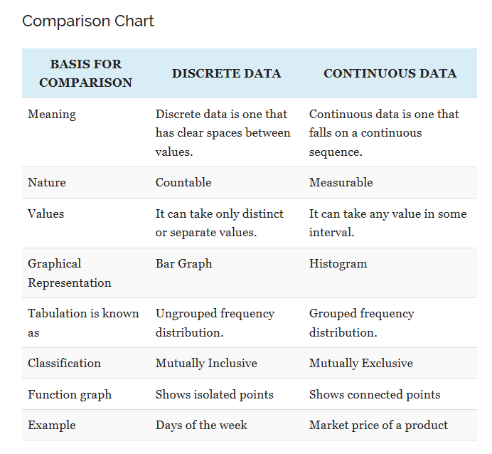
Definition of Discrete Data
The term discrete implies distinct or separate. So, discrete data refers to the type of quantitative data that relies on counts. It contains only finite values, whose subdivision is not possible. It includes only those values that can only be counted in whole numbers or integers and are separate which means the data cannot be broken down into fraction or decimal.
For example, Number of students in the school, the number of cars in the parking lot, the number of computers in a computer lab, the number of animals in a zoo, etc.
Definition of Continuous Data
Continuous data is described as an unbroken set of observations; that can be measured on a scale. It can take any numeric value, within a finite or infinite range of possible value. Statistically, range refers to the difference between highest and lowest observation. The continuous data can be broken down into fractions and decimal, i.e. it can be meaningfully subdivided into smaller parts according to the measurement precision.
For Example, Age, height or weight of a person, time taken to complete a task, temperature, time, money, etc.

3.1 Ungrouped Freq Dist Discret
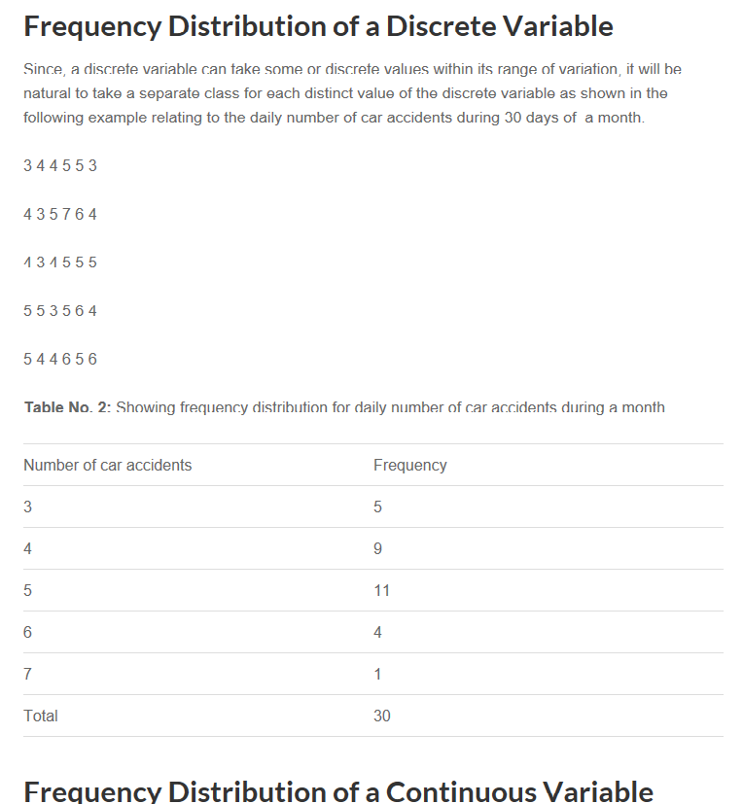

3.2 Grouped Freq Dist Continous
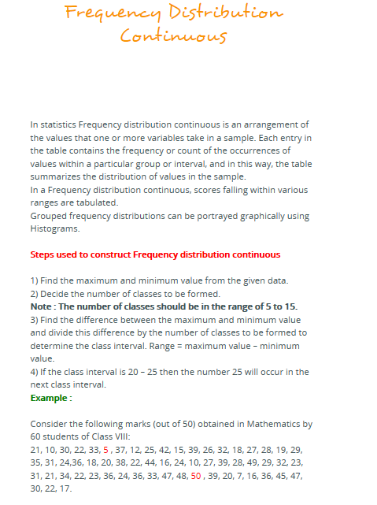

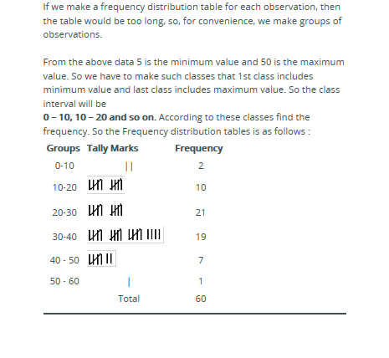

4. Key Difference
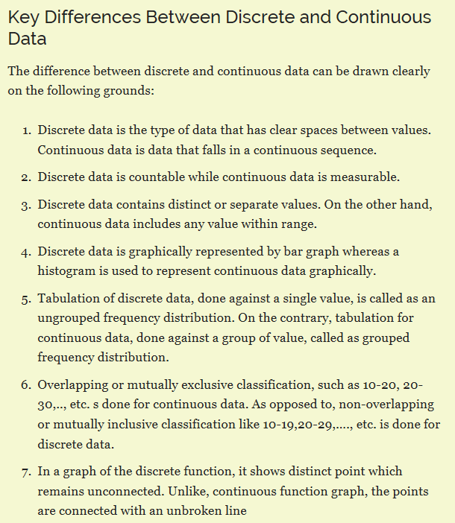

5. Number Types
A number is a count or measurement of the data under study or observation.
1. Real Numbers: Any number you can think of on the number line from -infinity to infinity is a real number, it is the superset of all numbers.
2. Integers: They are not fractions and can include from -ve to 0 to +ve numbers
3. Natural Numbers: 1,2 ,3 to infinity are Natural numbers
4. Whole Numbers: Start from 0. Thus 0,1,2,3 are the Whole numbers. So technically Natural numbers +0=Whole numbers
5. Rational Numbers: These are the numbers that can be written as ratios. 1/2 or 0.5
6. Irrational Numbers: These are the numbers that can not be written as ratios. e.g pie 3.14159 or underroot of 2 =1.4142135623
7. Imaginary Numbers: There is another special category. Any number that is not a real number is an imaginary number.
e.g underroot -1. Also know as unit imaginary number or iota(i). so underroot -9 is 3i
8. Complex Numbers: They have the imaginary part, below expression "j" i sthe imaginary part
3+jb

